Indices

 | Iraq Stock Exchange
 | Bulletin No (69)
 | ISX Trading Indices of Wednesday 22/4/2026

 | Traded Volume and OTC |  | 1,784,322,457 |  | Traded Value and OTC |  | 1,454,566,600 |  | Traders | 1164

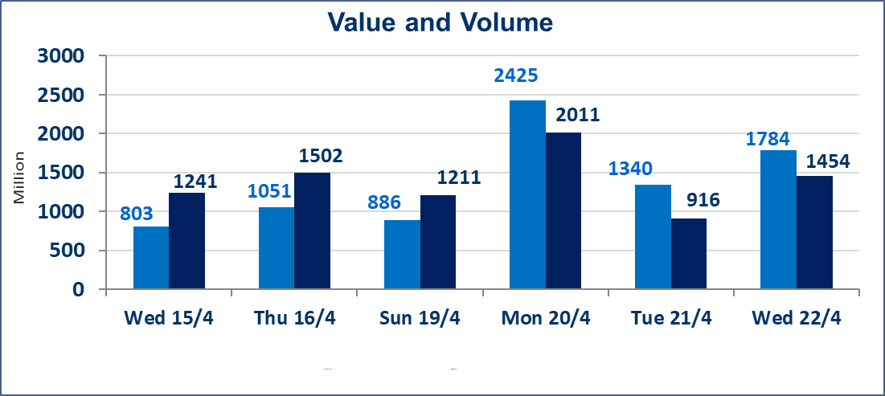
 | ISX Index 60 |  |  | 988.30 | ISX Index 15 |  |  | 1289.21
 | Previous ISX Index60 |  |  | 990.83 | Previous ISX Index15 |  |  | 1290.10
 | Change % |  |  | -0.26 | Change % |  |  | -0.07
 | Change |  |  | -2.53 | Change |  |  | -0.89

 | Listed Companies | 104 | OTC | 14 | Non Traded listed | 43 | OTC | 12
 | Traded Listed Companies | 52 | OTC | 2 | Higher Companies |  |  | 12
 | GAM Companies |  |  | 1 | Lower Companies |  |  | 16
 | Suspended Companies |  |  | 8
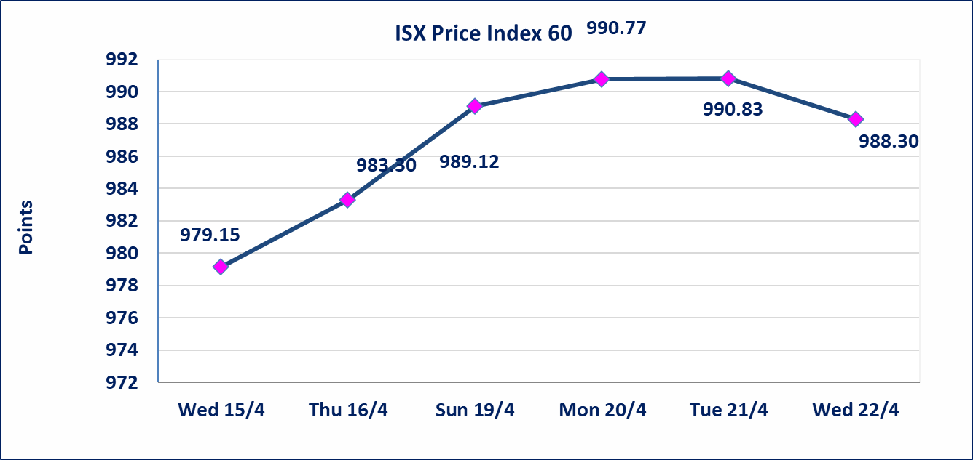
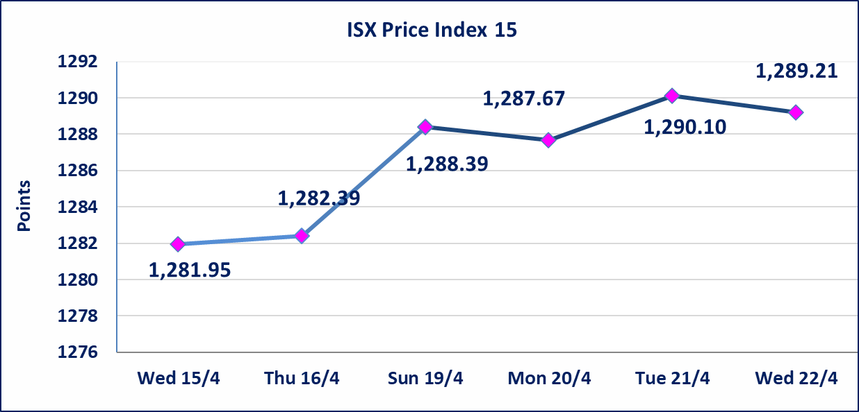

Al-Alwiya P.O . 3607 Mobile: 07711211522 - 07270094594 - 07834000034 E-mail: info-isx@isx-iq.net Web site:www.isx-iq.net

Top 5
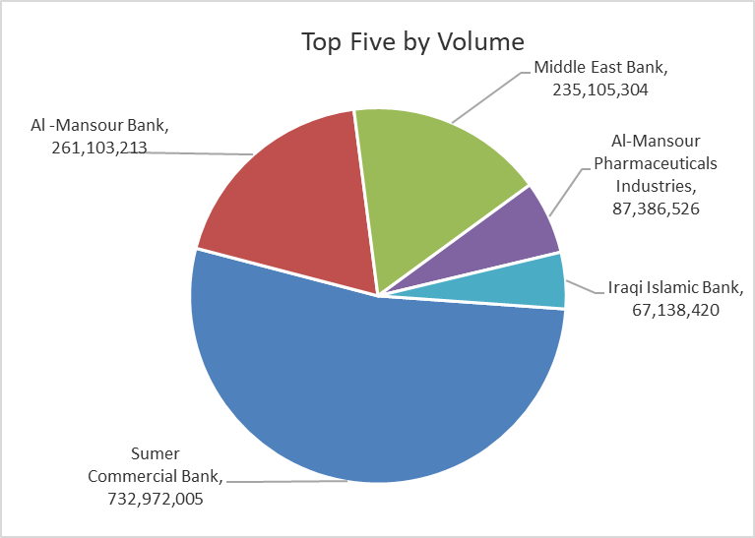
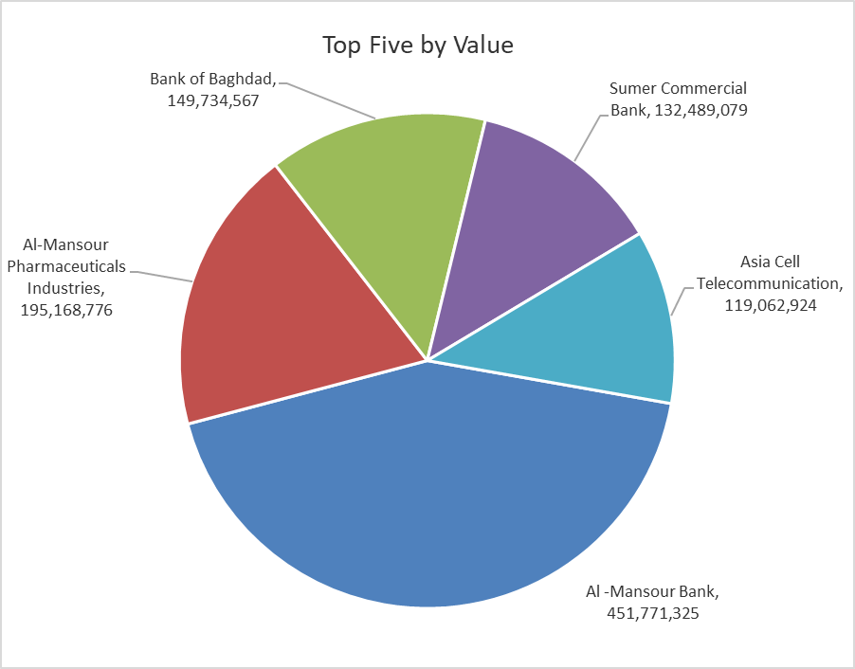

ISX top ganing and losing companies
Wednesday 22/4/2026
 | Gainers |  |  |  | Losers
 | Company Name | Closing Price | Change (%) | Traded Volume | Company Name | Closing Price | Change (%) | Traded Volume
 | AL-Badia for General Trans | 1.200 | 4.35 | 526,708 | Middle East Bank | 0.100 | -9.09 | 235,105,304
 | Al-Hilal Industries | 1.410 | 2.92 | 364,085 | Sumer Commercial Bank | 0.180 | -5.26 | 732,972,005
 | Kharkh Tour Amuzement City | 4.500 | 2.27 | 20,755,000 | Investment Bank of Iraq | 0.210 | -4.55 | 7,905,389
 | Babil Animal & Vegetable Production | 10.100 | 1.81 | 774,496 | Gulf Commercial Bank | 0.370 | -2.63 | 60,092,393
 | Al-Khatam Telecom | 3.700 | 1.37 | 110,331 | Fallujah for construction Materials | 2.830 | -2.08 | 15,443,910
 | The most active companies in term of traded volume and value

 | Traded Volume |  |  |  | Traded Value
 | Company Name | Closing Price | Change (%) | Traded Volume | Company Name | Closing Price | Change (%) | Traded Value
 | Sumer Commercial Bank | 0.180 | -5.26 | 732,972,005 | Al -Mansour Bank | 1.740 | 0.00 | 451,771,325
 | Al -Mansour Bank | 1.740 | 0.00 | 261,103,213 | Al-Mansour Pharmaceuticals Industries | 2.250 | 0.90 | 195,168,776
 | Middle East Bank | 0.100 | -9.09 | 235,105,304 | Bank of Baghdad | 3.320 | 0.30 | 149,734,567
 | Al-Mansour Pharmaceuticals Industries | 2.250 | 0.90 | 87,386,526 | Sumer Commercial Bank | 0.180 | -5.26 | 132,489,079
 | Iraqi Islamic Bank | 1.070 | -0.93 | 67,138,420 | Asia Cell Telecommunication | 16.500 | -0.30 | 119,062,924

Non Iraqi

Iraq Stock Exchange
Non Iraqis' Bulletin Wednesday April 22 2026
Regular Market

Non Iraqi Trading of Regular Market (Sell)
Company Names | Code | No.of trades | Traded Shares | Trading Volume
Banks Sector
Al-Mansour Bank | BMNS | 6 | 2,000,000 | 3,470,000
Total Bank sector |  | 6 | 2,000,000 | 3,470,000
Grand Total |  | 6 | 2,000,000 | 3,470,000

Not Trading Bonds

Iraq Stock Exchange
Wednesday 22/4/2026
Not Trading Bonds Bulletin
Bond type | Publish type | Code | last trading price | immortilize date
Banaa Bonds /Million ID | Second | CB20 | 964,981 | 19/12/2025
Eamar Bonds /Million ID | First | CB30 | 1,001,095 | ــــــــــــــــ
Eamar Bonds /Million ID | Second | CB40 | ــــــــــــــــ | ــــــــــــــــ
Eamar Bonds /500 Thousand ID | Third | CB45 | ــــــــــــــــ | ــــــــــــــــ
Eamar Bonds /Million ID | Third | CB50 | ــــــــــــــــ | ــــــــــــــــ
Injaz Bonds /500 Thousand ID | First | CB55 | ــــــــــــــــ | ــــــــــــــــ
Injaz Bonds /Million ID | First | CB60 | 951,110 | ــــــــــــــــ
Injaz Bonds /500 Thousand ID | Second | CB65 | 507,301 | ــــــــــــــــ
Injaz Bonds /Million ID | Second | CB70 | 965,050 | ــــــــــــــــ
Injaz Bonds /500 Thousand ID | Third | CB75 | ــــــــــــــــ | ــــــــــــــــ
Injaz Bonds /Million ID | Third | CB80 | 978,182 | ــــــــــــــــ
National Bonds/Million ID | First | CB90 | ــــــــــــــــ | ــــــــــــــــ
National Bonds/500 Thousand ID | Second | CB95 | ــــــــــــــــ | ــــــــــــــــ
National Bonds/Million ID | Second | CB100 | ــــــــــــــــ | ــــــــــــــــ

